Growth Rates
CUSR0000SS5703 | Outpatient hospital services - SA | Outpatient hospital services | SA | 1995 | 5 | 202.9 | 2025 | 5 | 950.013 | 5.280575441741453
CUSR0000SEMC01 | Physicians' services - SA | Physicians' services | SA | 1995 | 5 | 207.9 | 2025 | 5 | 427.488 | 2.4319989379939067

 |  | 1.0299378574

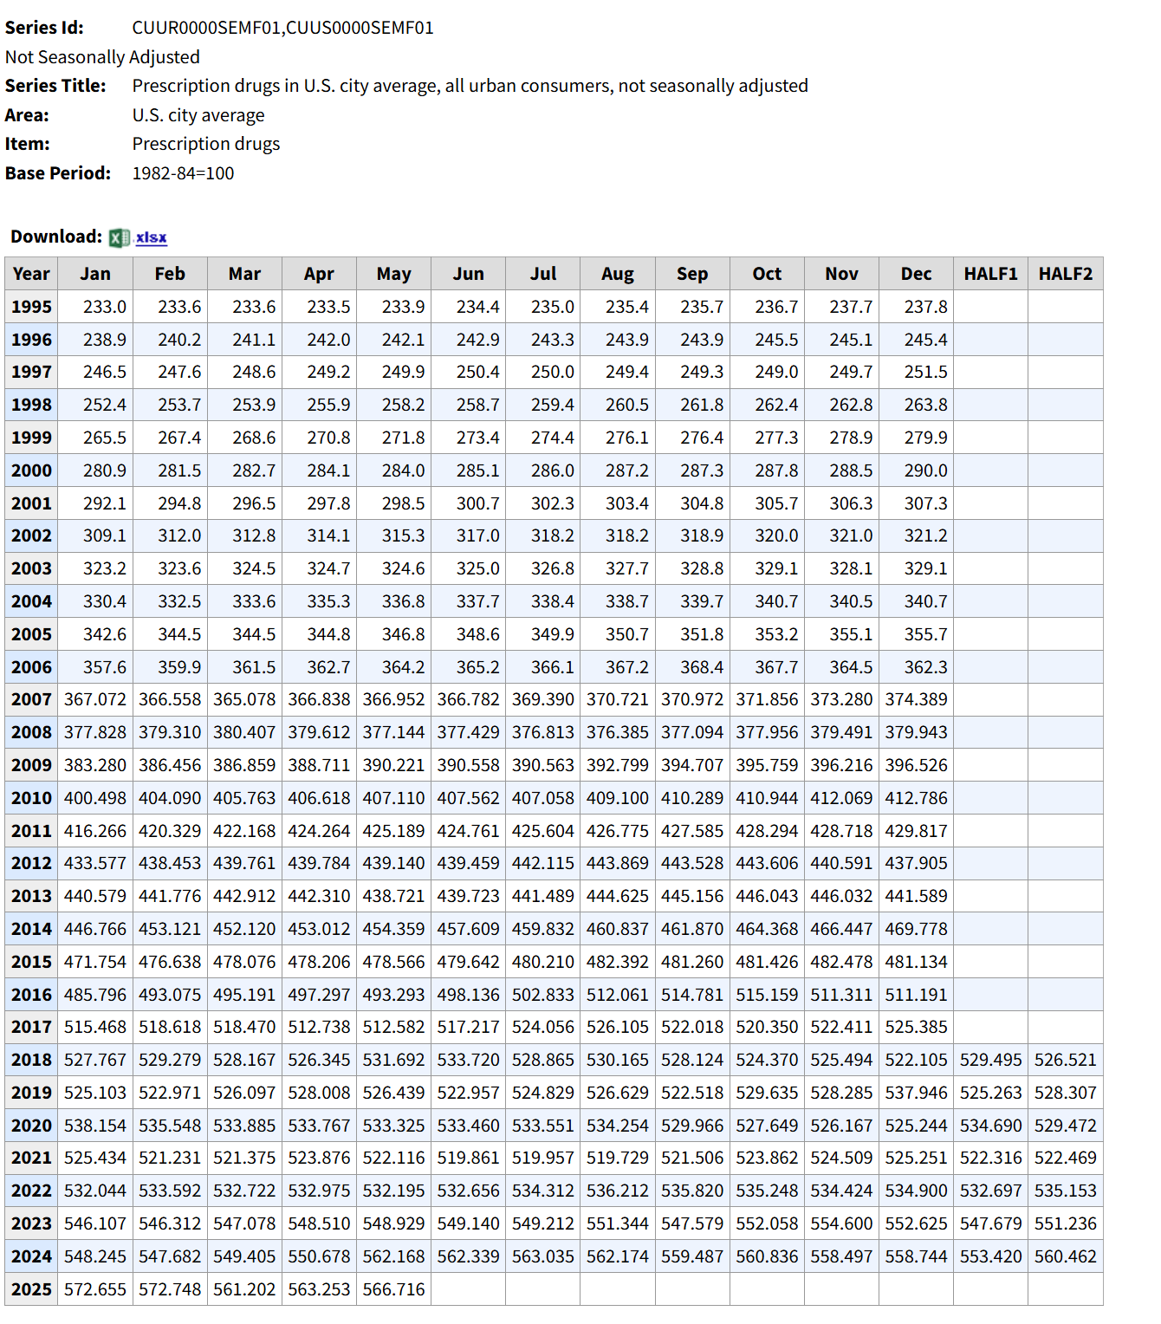

Series Id: | CUUR0000SAM2,CUUS0000SAM2
Not Seasonally Adjusted
Series Title: | Medical care services in U.S. city average, all urban consumers, not seasonally adjusted
Area: | U.S. city average
Item: | Medical care services
Base Period: | 1982-84=100

Download:

Year | Jan | Feb | Mar | Apr | May | Jun | Jul | Aug | Sep | Oct | Nov | Dec | HALF1 | HALF2
1995 | 219.8 | 221.3 | 221.8 | 222.4 | 223 | 223.5 | 224.6 | 225.6 | 226.1 | 226.9 | 227.4 | 227.8 | 222 | 226.4
1996 | 229.3 | 230.3 | 230.7 | 231.1 | 231.6 | 231.9 | 232.9 | 233.4 | 233.6 | 234.2 | 234.9 | 235 | 230.8 | 234
1997 | 236.3 | 237.1 | 237.7 | 238.1 | 238.5 | 238.7 | 239.2 | 239.8 | 240 | 240.5 | 241.2 | 241.8 | 237.7 | 240.4
1998 | 242.9 | 244.2 | 244.8 | 245.4 | 245.9 | 246.5 | 247.4 | 248.2 | 248.4 | 249 | 249.3 | 249.6 | 245 | 248.7
1999 | 251.3 | 252.6 | 253.1 | 253.5 | 254 | 254.6 | 255.5 | 256.2 | 256.6 | 257.1 | 257.7 | 258.5 | 253.2 | 256.9
2000 | 260.1 | 262 | 263.2 | 263.9 | 264.4 | 265.6 | 266.7 | 268 | 268.7 | 269.4 | 269.8 | 270.4 | 263.2 | 268.8
2001 | 273 | 274.9 | 275.9 | 276.8 | 277.3 | 278.3 | 278.9 | 280.5 | 281 | 282 | 283 | 283.5 | 276 | 281.5
2002 | 286.2 | 287.7 | 288.9 | 290.2 | 291.2 | 291.7 | 293.8 | 294.7 | 295.2 | 297.1 | 298.5 | 299.4 | 289.3 | 296.5
2003 | 300.8 | 302.3 | 302.6 | 303.1 | 304.2 | 305.2 | 306.4 | 307.2 | 308.2 | 309.1 | 310.6 | 311.9 | 303 | 308.9
2004 | 313.8 | 316.6 | 318.4 | 319.2 | 319.8 | 321 | 322.3 | 323.1 | 323.7 | 324.8 | 326 | 327.3 | 318.1 | 324.5
2005 | 329.5 | 332.5 | 334.3 | 335.2 | 335.9 | 336.3 | 337.8 | 337.3 | 337.9 | 339.7 | 341.7 | 342 | 334 | 339.4
2006 | 342.9 | 346.1 | 348 | 348.8 | 349.7 | 350.3 | 351.2 | 352.1 | 352.7 | 354 | 355.6 | 356 | 347.6 | 353.6
2007 | 359.757 | 363.908 | 365.164 | 366.07 | 367.127 | 367.758 | 370.008 | 371.461 | 372.432 | 374.75 | 376.25 | 376.94 | 364.964 | 373.64
2008 | 380.135 | 382.196 | 382.872 | 383.292 | 384.505 | 384.685 | 385.361 | 385.99 | 386.579 | 387.44 | 387.992 | 388.267 | 382.948 | 386.938
2009 | 391.365 | 394.047 | 394.837 | 395.753 | 396.648 | 396.75 | 397.868 | 398.303 | 399.16 | 400.015 | 401.392 | 401.452 | 394.9 | 399.698
2010 | 404.937 | 408.447 | 409.687 | 410.256 | 410.173 | 410.802 | 410.71 | 411.182 | 413.807 | 414.564 | 414.85 | 415.079 | 409.05 | 413.365
2011 | 417.025 | 420.567 | 420.852 | 421.716 | 422.438 | 422.813 | 423.847 | 424.546 | 425.258 | 427.467 | 429.191 | 430.005 | 420.902 | 426.719
2012 | 432.583 | 434.832 | 435.721 | 437.151 | 438.766 | 441.041 | 442.305 | 442.41 | 443.812 | 444.242 | 445.278 | 445.955 | 436.682 | 444
2013 | 448.226 | 451.625 | 452.596 | 452.083 | 451.648 | 453.325 | 453.773 | 456.062 | 457.458 | 457.135 | 456.855 | 457.296 | 451.584 | 456.43
2014 | 459.618 | 462.648 | 463.678 | 464.238 | 465.014 | 464.96 | 465.166 | 464.936 | 465.403 | 466.038 | 467.482 | 468.393 | 463.359 | 466.236
2015 | 470.03 | 471.138 | 472.645 | 476.163 | 476.8 | 475.546 | 475.956 | 475.189 | 476.466 | 480.245 | 481.894 | 481.983 | 473.72 | 478.622
2016 | 485.321 | 489.432 | 489.52 | 490.848 | 493.27 | 493.438 | 495.431 | 499.187 | 499.483 | 499.717 | 500.697 | 500.845 | 490.305 | 499.227
2017 | 502.948 | 506.105 | 505.991 | 505.855 | 505.611 | 505.813 | 506.681 | 507.39 | 508.078 | 509.256 | 508.879 | 509.045 | 505.387 | 508.222
2018 | 513.135 | 515.205 | 516.713 | 517.228 | 517.22 | 518.307 | 518.277 | 516.841 | 518.108 | 519.152 | 520.973 | 522.506 | 516.301 | 519.31
2019 | 525.698 | 527.683 | 528.575 | 529.371 | 531.566 | 532.956 | 535.515 | 539.066 | 540.813 | 545.652 | 547.735 | 549.077 | 529.308 | 542.976
2020 | 552.721 | 555.597 | 557.889 | 559.994 | 562.701 | 564.754 | 567.299 | 567.771 | 567.525 | 565.999 | 565.345 | 564.201 | 558.943 | 566.357
2021 | 568.778 | 572.378 | 573.009 | 572.108 | 571.255 | 570.509 | 571.934 | 573.5 | 572.559 | 575.493 | 577.076 | 578.555 | 571.34 | 574.853
2022 | 584.111 | 586.177 | 589.652 | 591.94 | 594.243 | 598.035 | 601.056 | 605.883 | 609.852 | 606.839 | 602.333 | 602.395 | 590.693 | 604.726
2023 | 601.551 | 598.778 | 595.745 | 594.346 | 593.738 | 593.503 | 591.832 | 592.913 | 593.777 | 594.974 | 597.016 | 599.464 | 596.277 | 594.996
2024 | 605.257 | 605.162 | 608.528 | 610.151 | 611.904 | 613.033 | 611.137 | 611.935 | 615.354 | 617.753 | 619.118 | 619.686 | 609.006 | 615.831
2025 | 621.661 | 623.392 | 626.888 | 629.307 | 630.162

 |  |  |  |  | 1.0352333276

GetBloombergDailyYieldCurve_cur
Year | Time To Marity | Discount Rate (Nominal) | PASTED YEAR | PASTED DISCOUNT RATES
2027 | 1 | 2.433 | 2027 | 2.352
2028 | 2 | 2.422 | 2028 | 2.342
2029 | 3 | 2.421 | 2029 | 2.34
2030 | 4 | 2.467 | 2030 | 2.387
2031 | 5 | 2.517 | 2031 | 2.438
2032 | 6 | 2.590 | 2032 | 2.522
2033 | 7 | 2.688 | 2033 | 2.622
2034 | 8 | 2.752 | 2034 | 2.687
2035 | 9 | 2.842 | 2035 | 2.779
2036 | 10 | 2.944 | 2036 | 2.883
2037 | 11 | 3.036 | 2037 | 2.996
2038 | 12 | 3.134 | 2038 | 3.104
2039 | 13 | 3.207 | 2039 | 3.178
2040 | 14 | 3.303 | 2040 | 3.274
2041 | 15 | 3.356 | 2041 | 3.328
Discount Rates
2042 | 16 | 3.464 | 2042 | 3.435
2043 | 17 | 3.596 | 2043 | 3.567
2044 | 18 | 3.727 | 2044 | 3.699
2045 | 19 | 3.864 | 2045 | 3.835
2046 | 20 | 3.987 | 2046 | 3.958
2047 | 21 | 4.064 | 2047 | 4.034
2048 | 22 | 4.126 | 2048 | 4.095
2049 | 23 | 4.168 | 2049 | 4.136
2050 | 24 | 4.216 | 2050 | 4.183
2051 | 25 | 4.235 | 2051 | 4.201
2052 | 26 | 4.255 | 2052 | 4.22
2053 | 27 | 4.268 | 2053 | 4.232
2054 | 28 | 4.290 | 2054 | 4.254
2055 | 29 | 4.293 | 2055 | 4.257
2056 | 30 | 4.312 | 2056 | 4.275
 |  |  | *2057 | 4.275
 |  |  |  |  | /\ * amount is updated on chart to match furthest-out DR (or DELETED ENTIRELY if duration <30 years)

